data
x_axis | y_axis
2018 | 40.975609756
2019 | 40.975609756
2020 | 40
2021 | 40.487804878
2022 | 40.487804878
2023 | 40.975609756
2024 | 40.975609756
2025 | 40.975609756
2026 | 40.975609756
2027 | 40.975609756
2028 | 40.975609756
2029 | 40.487804878
2030 | 39.512195122
2031 | 39.024390244
2032 | 39.024390244
2033 | 38.048780488
2034 | 37.56097561
2035 | 37.073170732
2036 | 36.585365854
2037 | 36.097560976
2038 | 35.12195122
2039 | 34.146341463
2040 | 32.195121951
2041 | 32.195121951
2042 | 30.243902439
2043 | 30.731707317
2044 | 29.756097561
2045 | 28.780487805
2046 | 27.804878049
2047 | 26.829268293
2048 | 25.853658537
2049 | 25.365853659
2050 | 23.902439024
2051 | 23.414634146
2052 | 22.43902439
2053 | 21.463414634
2054 | 20.487804878
2055 | 19.512195122
2056 | 19.024390244
2057 | 18.048780488
2058 | 17.073170732
2059 | 16.585365854
2060 | 15.609756098
2061 | 15.12195122
2062 | 14.146341463
2063 | 12.195121951
2064 | 12.195121951
2065 | 11.707317073
2066 | 11.219512195
2067 | 10.731707317
2068 | 9.756097561
2069 | 9.2682926829
2070 | 8.7804878049
2071 | 7.8048780488
2072 | 7.3170731707
2073 | 6.8292682927
2074 | 5.8536585366
2075 | 4.8780487805
2076 | 4.3902439024
2077 | 2.4390243902
2078 | 2.9268292683
2079 | 1.9512195122
2080 | 1.4634146341
2081 | 0.48780487805
2082 | -0.48780487805
2083 | -0.9756097561
2084 | -1.4634146341
2085 | -2.4390243902
2086 | -2.9268292683
2087 | -3.4146341463
2088 | -4.3902439024
2089 | -4.8780487805
2090 | -5.3658536585
2091 | -5.8536585366
2092 | -5.8536585366
2093 | -5.8536585366
2094 | -5.8536585366
2095 | -5.8536585366
2096 | -5.8536585366
2097 | -5.8536585366
2098 | -5.8536585366
2099 | -5.8536585366

picture
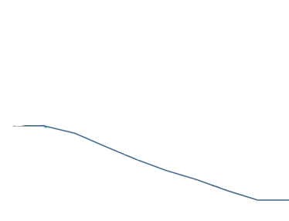

picture_original
